Measurement Form
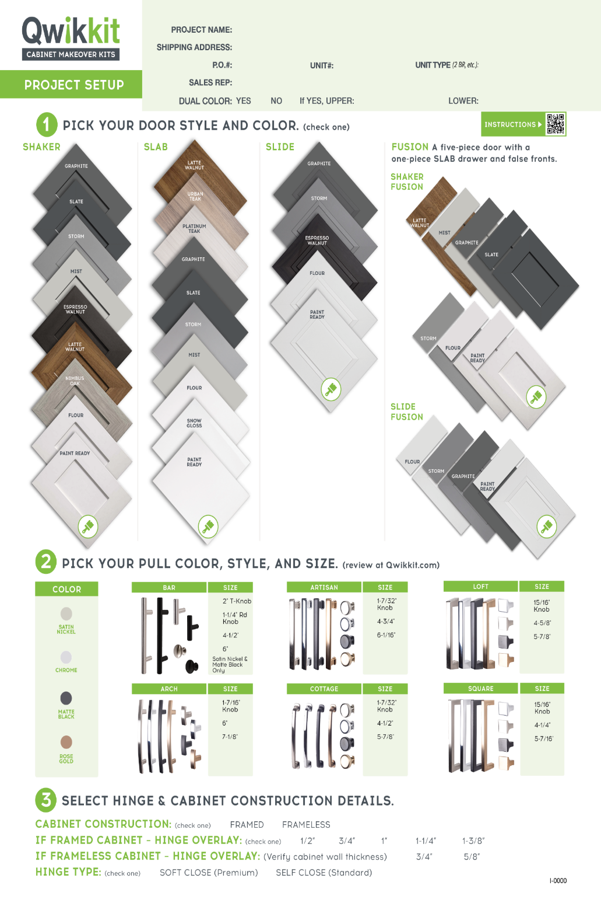

MEAUREMENT FORM

 |  |  |  |  |  | SLAB STYLE ONLY
Unit # | LABEL NOTES (19 characters maximum) | PART TYPE | WIDTH | HEIGHT | QTY | CABINET LOCATION (Up \ Low) | HINGE LOCATION (L \ R side)

Hinge Overlay
Guide

(Soft Close Only)
 |  |  |  |  | 0 |  | Total number of parts

QUESTIONS: (844) 4 - THE - KIT | EMAIL |  |  |  | customerservice@qwikkit.com
Contact name:
Phone:
Email:

