Measurement Form
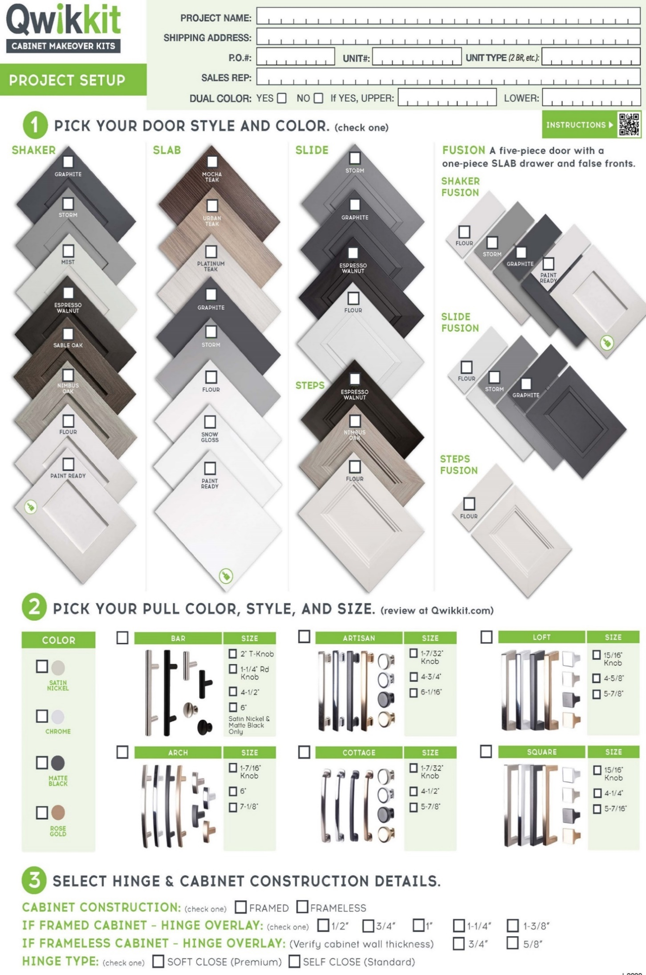
(Soft Close Only)

 | Unit Number |  |  | SLAB STYLE ONLY
LABEL NOTES (19 characters maximum) | PART TYPE | WIDTH | HEIGHT | CABINET LOCATION (Up \ Low) | HINGE LOCATION (L \ R side) | QTY

 |  |  |  |  | Total number of parts | 0
QUESTIONS: (844) 4 - THE - KIT | EMAIL |  |  |  | customerservice@qwikkit.com
Contact name:
Phone:
Email:

